Test Case 1
Test Case ID |  | TC_Practical-009 | Test Case Desc | Test the fuctionality of e-commerce website - Flipkart
Created By |  | Pratiksha A. Ramteke | Reviewed By | Trisharna R. Ingale |  | Version |  | 1.0
Tester's Name |  |  | Date Tested |  |  | Test Case Status (Passed/Failed/NE)

# | Prerequisites: |  |  | # | Test Data
1 | Access to internet |  |  | 1 | Valid Email id
2 | Chrome Browser |  |  | 2 | Mobile Number and Password
3 | Windows OS |  |  | 3 | Valid Address Line
4 |  |  |  | 4

Test Scenario | 1. Verify the User logs in Flipkart website successfully.
 | 2. Verify users can find items using the search bar, filters, and sorting.

Step # | Step Details |  | Expected Results | Actual Results |  |  | Pass / Fail / Not executed / Suspended
1 | 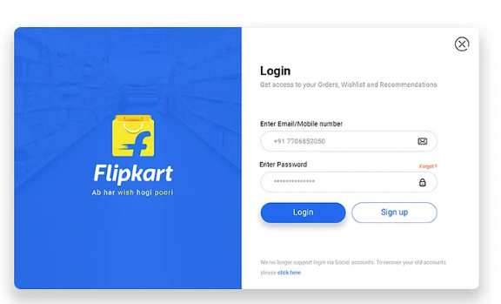 1. Enter a valid registered phone number / Email-ID. 2. Enter correct password / OTP. 3. Click Login. |  | 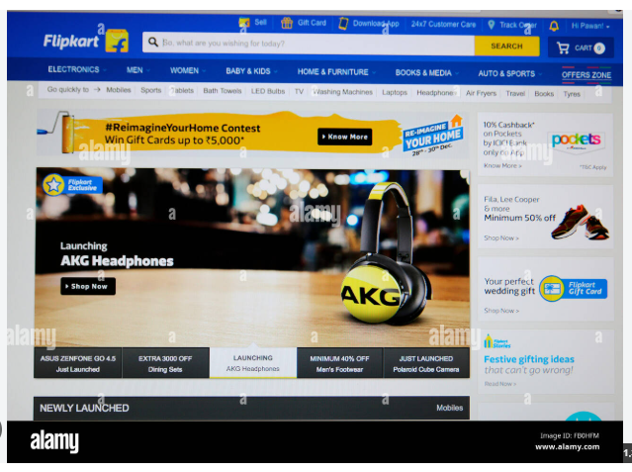 Verify that User logs in successfully. And homepage is displayed.
2 | 1.Enter incorrect password or unregistered phone number. 2. Click Login. |  | Verify that the error message is displayed like "Invalid Credentials".
3 | 1. Go to the search bar. 2. "Type iPhone 15". 3. Press Enter or click the search icon. |  | 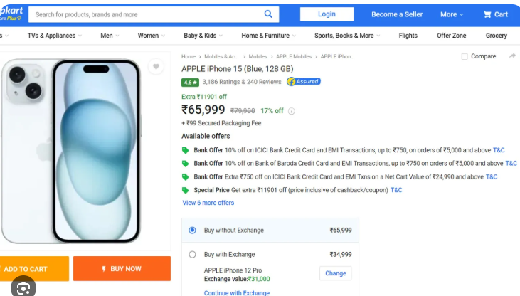 Verify that search product are displayed.
4 | 1. Go to search bar. 2. Type a string "xyzabc123". 3. Press Enter. |  | Verify that a "No results found" screen appears along with alternative product recommendations.
5 | 1. Click on the "Electronics" category from the top banner. 2. Click on "Laptops". |  | 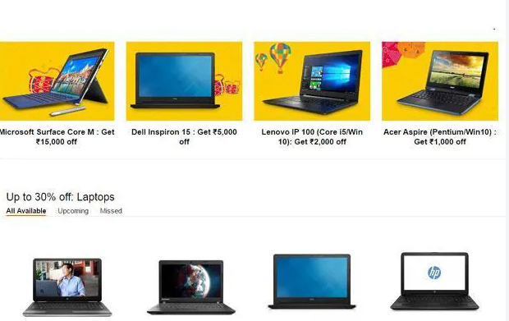 Verify that the dedicated laptops category page displaying available products
6 | 1. On a product list page, got to side filters. 2. Select price range 10,000-20,000 |  | Verify that products are displayed in between that range.
7 | 1.Open an in-stock PDP. 2. Click the "Add to Cart" button. |  | A confirmation message appears - "Item added to cart". And the header cart count increments by 1.
8 | 1. Open a clothig item page. 2. Select the "L" size variant. 3. Click the "Blue " colour variant circle. |  | Verify the product image carousel updates to show the bule version, and the stock availabity shifts contextually.
9 | Locate the "Delivery Check" box on the PDP. 2. Input a valid pincode. 3. "Check". |  | Verify the text displays "Available" alongsid and estimated delivery day range.
10 | 1. Open a PDP while logged in. 2. Click the heart icon (Wishlist button). |  | Verify the heart icon fills in red/solid colour, and a toast message confirms "Item added to Wishlist".
11 | 1. log out of the site. 2. Open any PDP. 3. Click the heart icon. |  | Verify the action intercepts the user and opens a login pop-up window or redirects to the authentication page.
12 | 1. Open the shopping cart page. 2. Click the "+" quantity button next to the added item. |  | Verify the item count changes to 2, and the price summary instantly updates the total amount.
13 | 1. At the address phase of checkout, click "Add a new address", 2. Fill in all fields. 3. Click "Save and Deliver Here". |  | Verify the entry parses without errors, saves to the customer profile address book, and moves to the summary screen.
14 | 1. Enter active coupon code at checkout -> click apply. |  | Verify the total amount drops and then discount message shows.
15 | Enter expired /fake code at checkout -> click apply. |  | Verify price unchanged and "Invalid code" error displays.
16 | Select UPI-> enter valid Credentials ->click pay. |  | Verify page shows timer and push notification sent to UPI app.
17 | Complete transaction successfully. |  | "Order Placed successfully" screen loads and email confirmation sent.
18 | Go to "My orders"-> click recently placed order |  | Verify the tracker accurately reflects the "Ordered" status.
19 | Go the "My orders" -> Click cancle -> select reason -> then submit. |  | Verify the status changes to "Cancled"; and cancellation notification triggers.
20 | Log into account on Device A and log into same account on Device B then change password on Device B. |  | Verify the device A gets automatically logged out for security.
21 | Click "Pay Now" with card details -> disconnect internet connectioin instantly before gateway response. |  | Verify the system gracefully shows "Connection lost: error; transaction safely rolls back without deduction money.

